3.1
 | I | II | III | IV |  | PROPORTION | Territory | I | II | III | IV
A | 42000 | 35000 | 28000 | 21000 |  | 7 | Annual Sales (Rs) | 126000 | 105000 | 84000 | 63000
B | 30000 | 25000 | 20000 | 15000 |  | 5
C | 30000 | 25000 | 20000 | 15000 |  | 5 | Salesmen | A | B | C | D
D | 24000 | 20000 | 16000 | 12000 |  | 4 | Proportion | 7 | 5 | 5 | 4
 |  |  |  |  |  | 21
SALES | 6000 | 5000 | 4000 | 3000

 | I | II | III | IV |  | SUPPLY
A | 1 | 0 | 0 | 0 | 1 | 1
B | 0 | 1 | 0 | 0 | 1 | 1
C | 0 | 0 | 1 | 0 | 1 | 1
D | 0 | 0 | 0 | 1 | 1 | 1
 | 1 | 1 | 1 | 1
DEMAND | 1 | 1 | 1 | 1

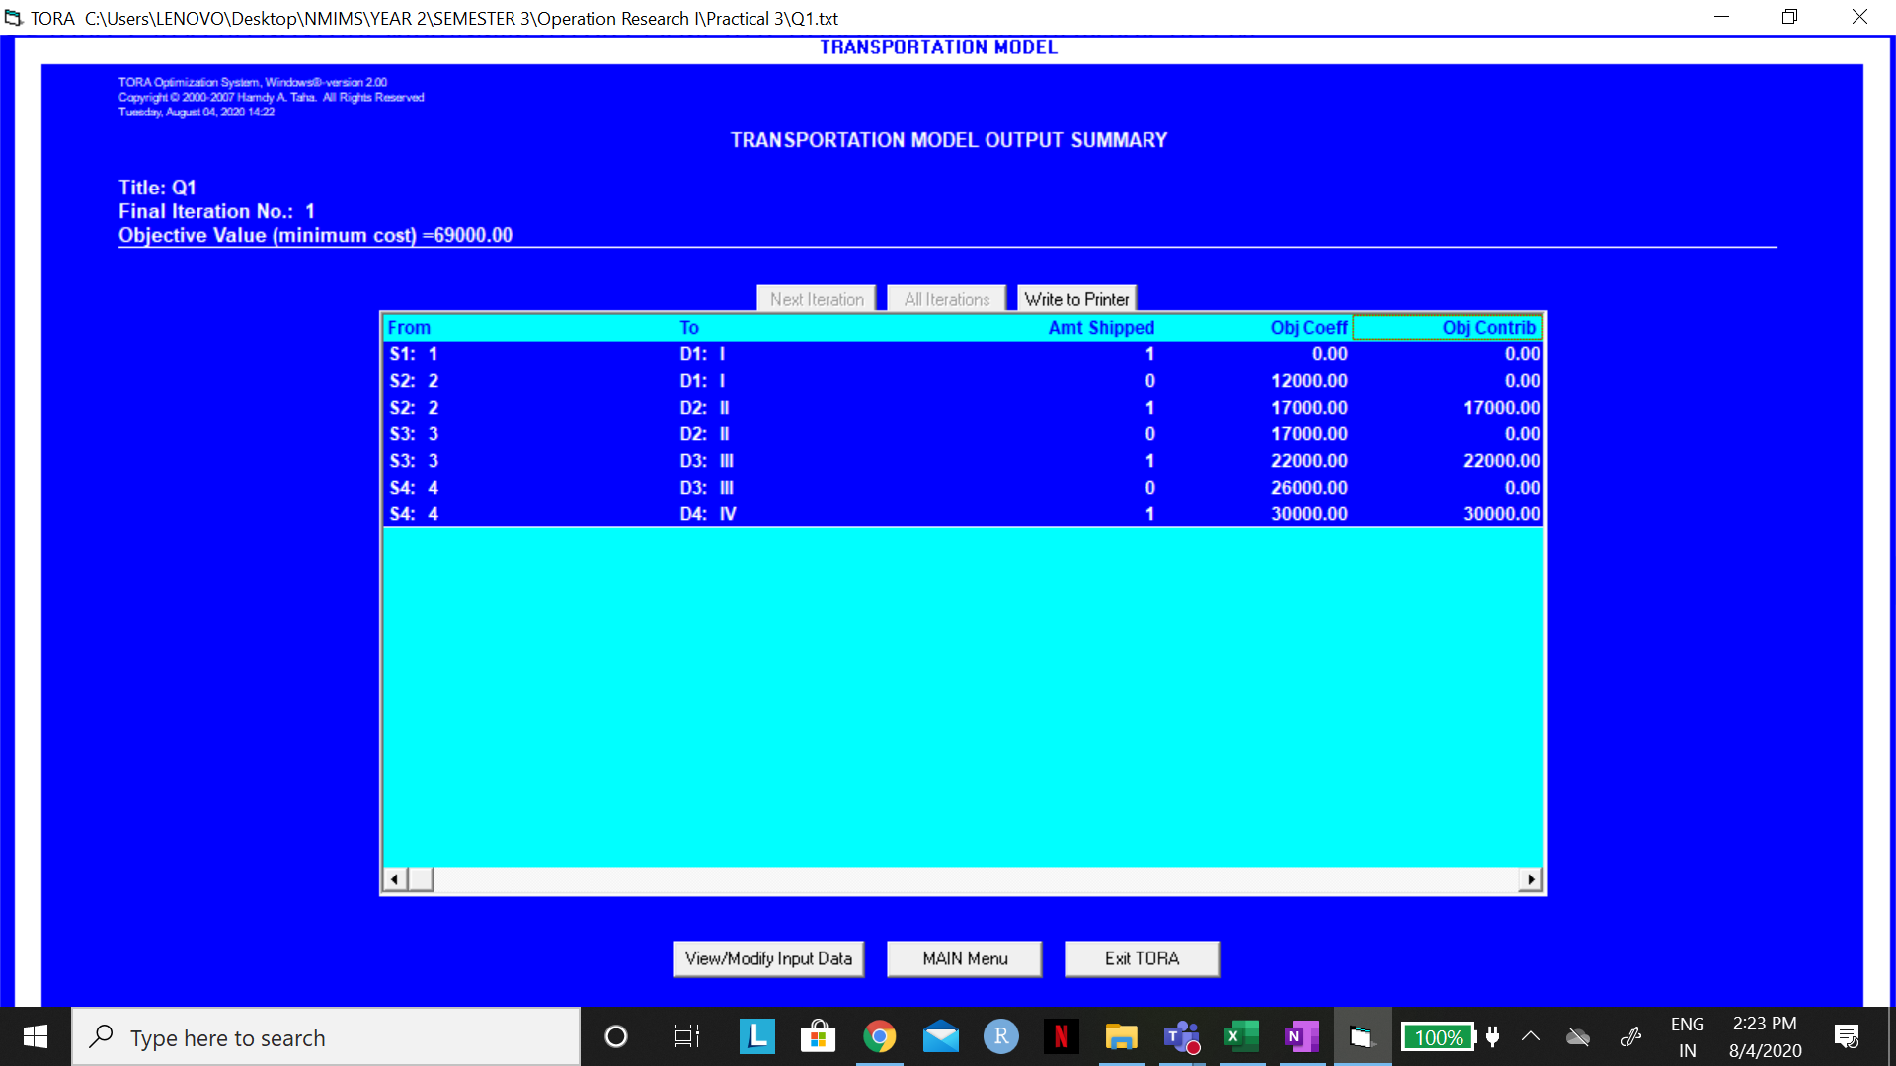
MAXIMUM SALES |  | 99000
 |  |  |  |  |  |  |  | MINIMIZATION PROBLEM FOR TORA
 |  |  |  |  |  |  |  |  |  |  |  |  | 42000
 |  |  |  |  |  |  |  |  | I | II | III | IV
 |  |  |  |  |  |  |  | A | 0 | 7000 | 14000 | 21000
 |  |  |  |  |  |  |  | B | 12000 | 17000 | 22000 | 27000
 |  |  |  |  |  |  |  | C | 12000 | 17000 | 22000 | 27000
 |  |  |  |  |  |  |  | D | 18000 | 22000 | 26000 | 30000

3.2
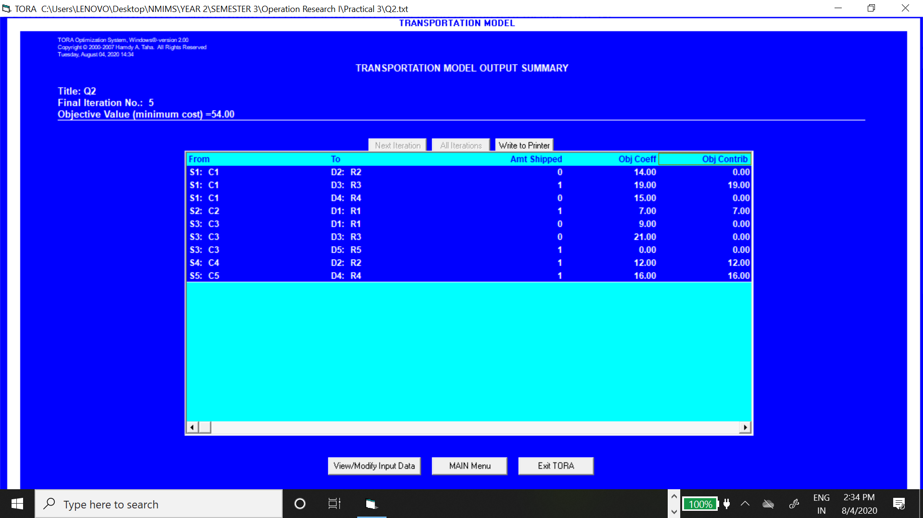
 | R1 | R2 | R3 | R4 | R5
C1 | 9 | 14 | 19 | 15 | 0
C2 | 7 | 17 | 20 | 19 | 0
C3 | 9 | 18 | 21 | 18 | 0
C4 | 10 | 12 | 18 | 19 | 0
C5 | 10 | 15 | 21 | 16 | 0

 | R1 | R2 | R3 | R4 | R5 |  | SUPPLY
C1 | 0 | 0 | 1 | 0 | 0 | 1 | 1
C2 | 1 | 0 | 0 | 0 | 0 | 1 | 1
C3 | 0 | 0 | 0 | 0 | 1 | 1 | 1
C4 | 0 | 1 | 0 | 0 | 0 | 1 | 1
C5 | 0 | 0 | 0 | 1 | 0 | 1 | 1
 | 1 | 1 | 1 | 1 | 1
DEMAND | 1 | 1 | 1 | 1 | 1

 | MINIMUM COST |  | 54 | lakhs

3.3
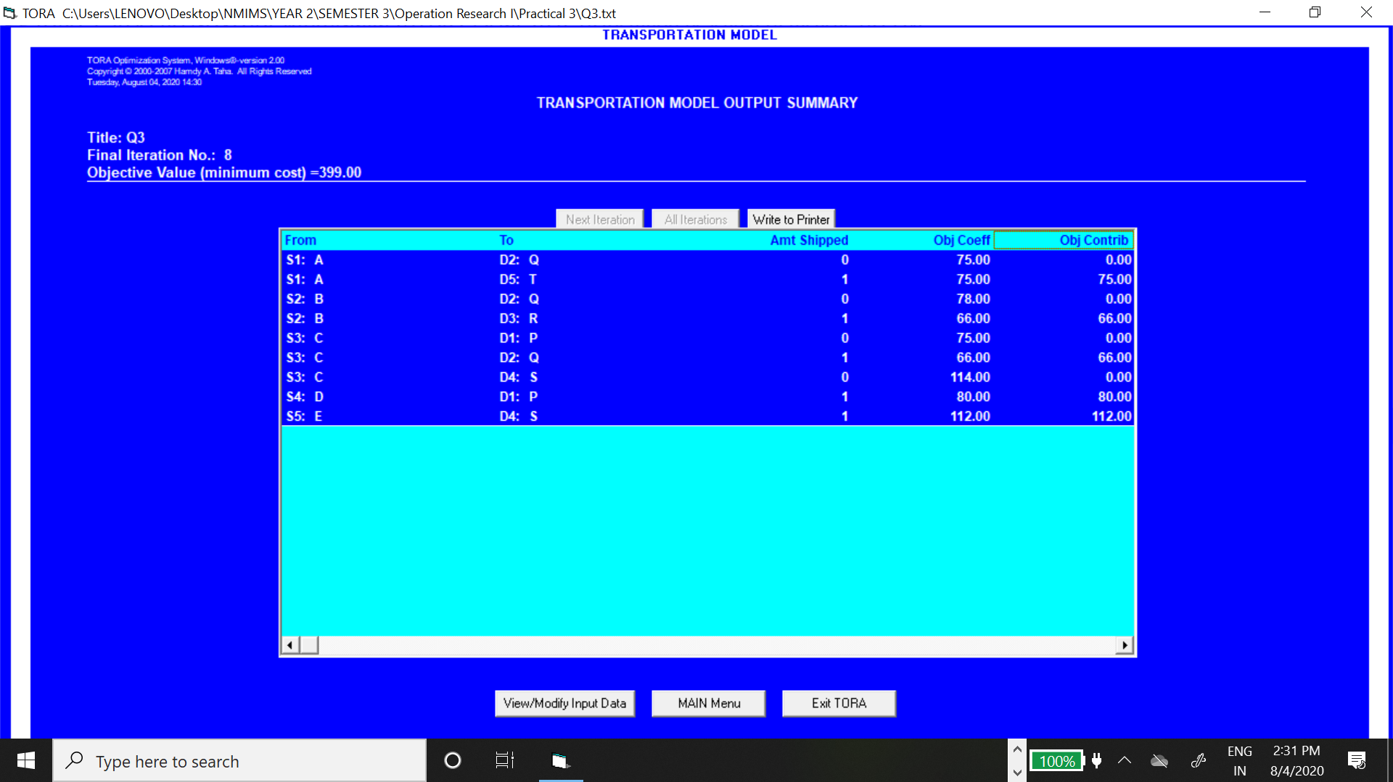
 | P | Q | R | S | T |  |  | Typist | Rate per hour (Rs.) |  | No. of Pages Typed/Hour
A | 85 | 75 | 65 | 125 | 75 |  |  | A | 5 |  | 12
B | 90 | 78 | 66 | 132 | 78 |  |  | B | 6 |  | 14
C | 75 | 66 | 57 | 114 | 69 |  |  | C | 3 |  | 8
D | 80 | 72 | 60 | 120 | 72 |  |  | D | 4 |  | 10
E | 76 | 64 | 56 | 112 | 68 |  |  | E | 4 |  | 11

 |  |  |  |  |  |  |  | Job | P | Q | R | S | T
 |  |  |  |  |  |  |  | Number of pages | 199 | 175 | 145 | 298 | 178
 | P | Q | R | S | T |  | SUPPLY
A | 0 | 0 | 0 | 0 | 1 | 1 | 1
B | 0 | 0 | 1 | 0 | 0 | 1 | 1
C | 0 | 1 | 0 | 0 | 0 | 1 | 1
D | 1 | 0 | 0 | 0 | 0 | 1 | 1
E | 0 | 0 | 0 | 1 | 0 | 1 | 1
 | 1 | 1 | 1 | 1 | 1
DEMAND | 1 | 1 | 1 | 1 | 1

MINIMUM COST |  | 399

3.4
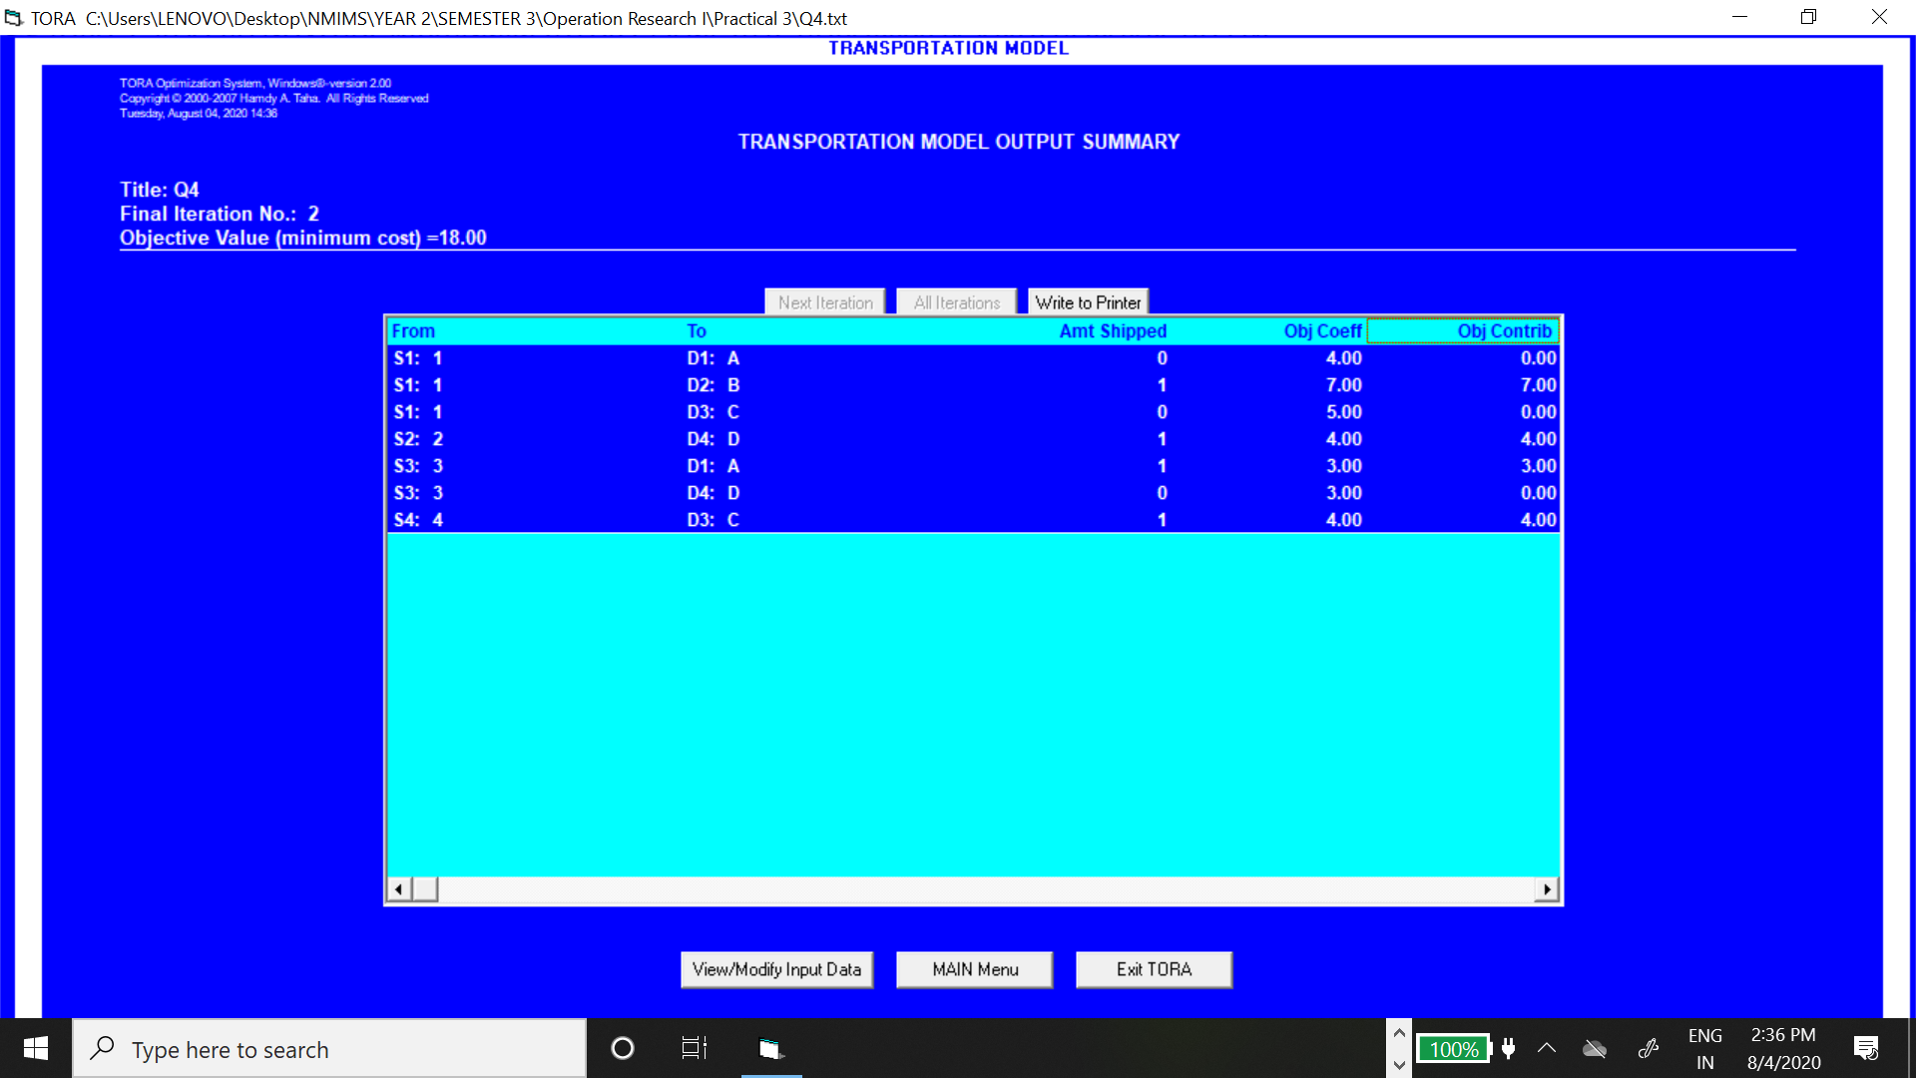
 | A | B | C | D
1 | 4 | 7 | 5 | 6
2 | 1000 | 8 | 7 | 4
3 | 3 | 1000 | 5 | 3
4 | 6 | 6 | 4 | 1000

 | A | B | C | D |  | SUPPLY
1 | 0 | 1 | 0 | 0 | 1 | 1
2 | 0 | 0 | 0 | 1 | 1 | 1
3 | 1 | 0 | 0 | 0 | 1 | 1
4 | 0 | 0 | 1 | 0 | 1 | 1
 | 1 | 1 | 1 | 1
DEMAND | 1 | 1 | 1 | 1

MINIMUM TIME |  | 18 | hours

3.5
 | 1 | 2 | 3 | 4 | 5 | 6
A | 15 | 35 | 0 | 25 | 10 | 45
B | 40 | 5 | 45 | 20 | 15 | 20
C | 25 | 60 | 10 | 65 | 25 | 10
D | 25 | 20 | 35 | 10 | 25 | 60
E | 30 | 70 | 40 | 5 | 40 | 50
F | 10 | 25 | 30 | 40 | 50 | 15

 | 1 | 2 | 3 | 4 | 5 | 6 |  | SUPPLY
A | 0 | 0 | 0 | 0 | 0 | 1 | 1 | 1
B | 1 | 0 | 0 | 0 | 0 | 0 | 1 | 1
C | 0 | 0 | 0 | 1 | 0 | 0 | 1 | 1
D | 0 | 0 | 1 | 0 | 0 | 0 | 1 | 1
E | 0 | 1 | 0 | 0 | 0 | 0 | 1 | 1
F | 0 | 0 | 0 | 0 | 1 | 0 | 1 | 1
 | 1 | 1 | 1 | 1 | 1 | 1
DEMAND | 1 | 1 | 1 | 1 | 1 | 1

 | MAXIMUM EARNINGS |  | 305

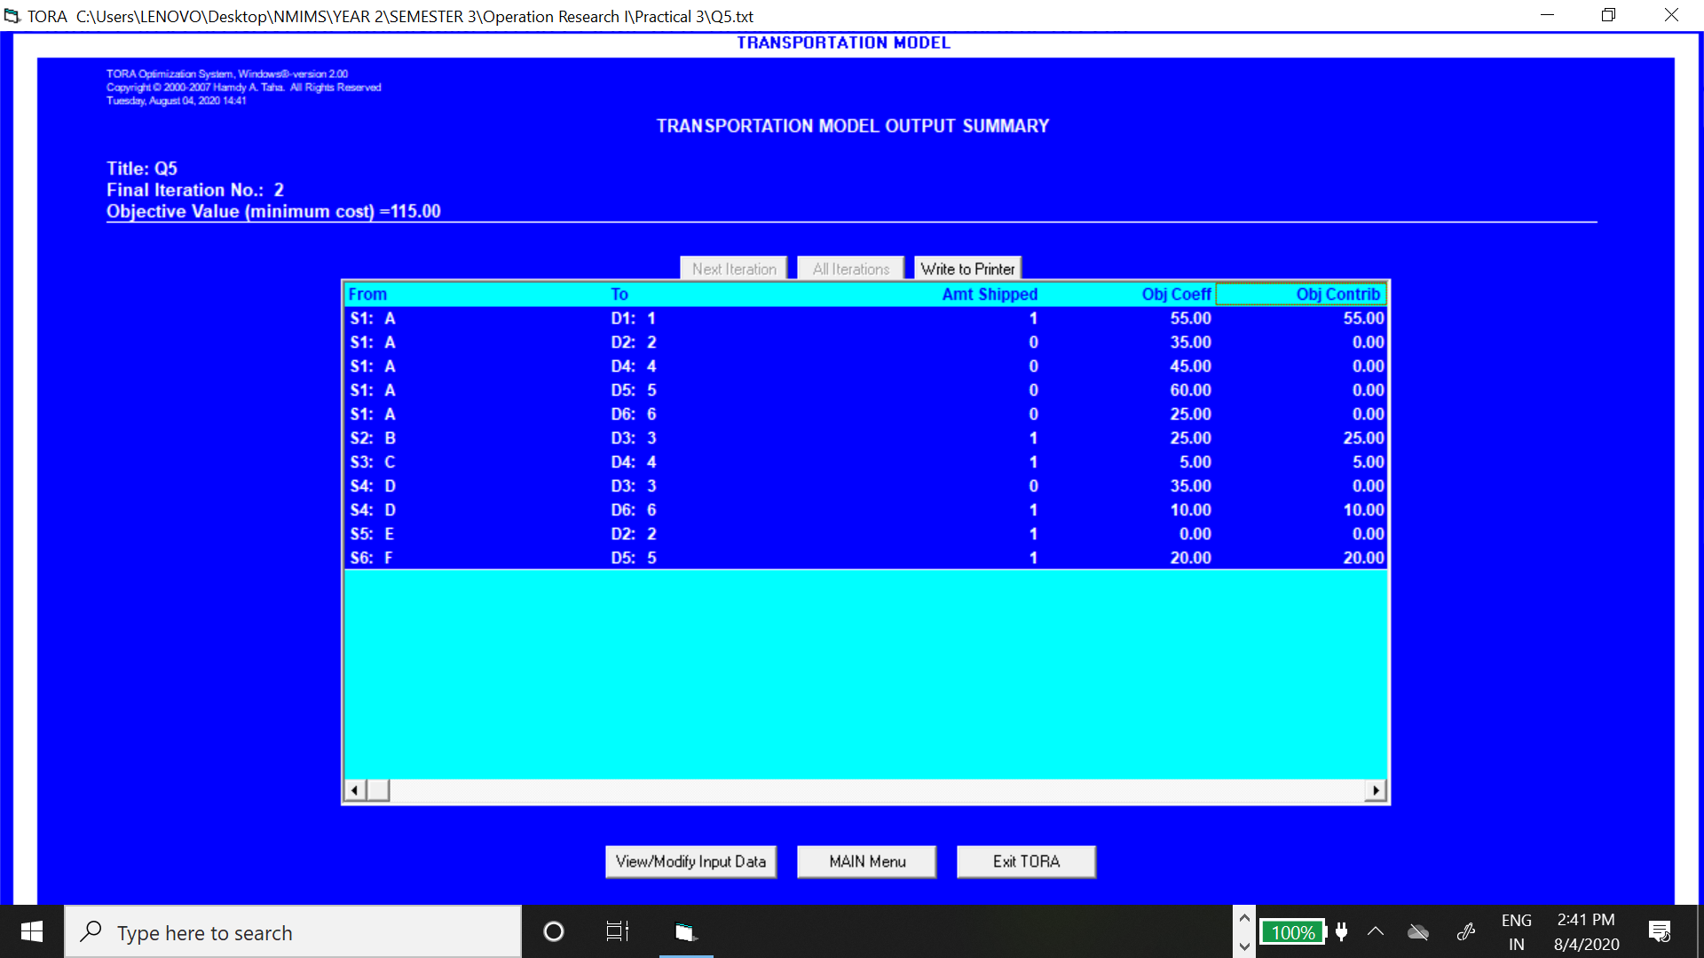
 |  |  |  |  |  |  |  |  | MINIMIZATION PROBLEM FOR TORA |  |  |  | 70
 |  |  |  |  |  |  |  |  |  | 1 | 2 | 3 | 4 | 5 | 6
 |  |  |  |  |  |  |  |  | A | 55 | 35 | 70 | 45 | 60 | 25
 |  |  |  |  |  |  |  |  | B | 30 | 65 | 25 | 50 | 55 | 50
 |  |  |  |  |  |  |  |  | C | 45 | 10 | 60 | 5 | 45 | 60
 |  |  |  |  |  |  |  |  | D | 45 | 50 | 35 | 60 | 45 | 10
 |  |  |  |  |  |  |  |  | E | 40 | 0 | 30 | 65 | 30 | 20
 |  |  |  |  |  |  |  |  | F | 60 | 45 | 40 | 30 | 20 | 55

